Tabelle1
Heat estimation for voltage regulator

 | Total current drawn by the devices (motors excluded because directly supplied with 9V)

 | Part | Amount | Current [mA] | Total current [mA] | Description | Link
 | LED | 3 | 30 | 90 | maximum value | LED Beispiel
 | Distance Sensor | 3 | 22 | 66 | maximum value | Distance Sensor
 | H-Bridge | 2 | 60 | 120 | maximum value | H-Bridge
 | Microchip VDD | 1 | 250 | 250 | maximum current into VDD (Positive supply for peripheral logic and I/O pins) | Microchip
 | Bluetooth | 1 | 13 | 13 | peak value for TX and RX mode | Bluetooth
 | Programming connector | 1 | 30 | 30 | estimated

 | Sum Total current |  |  | 569
 | With safety factor | 1.5 |  | 853.5 | e.g. for parts that are not included in the calculation

 | Voltage Regulator without Heat Sink |  |  |  | L7805CV CCD7W Vb MAR 848 TO 220 | Voltage Regulator
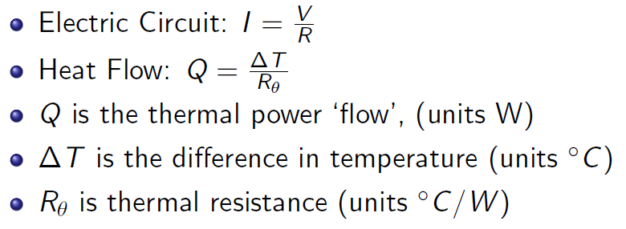
 | RthJA | 50 | [°C/W]
 | Max. allowed temp. TJmax | 125 | [°C]
 | Ambient temperature TA | 22 | [°C]
 | Max. allowed heat flow Qmax | 2.06 | [W]

 | Input Voltage Uin | 9 | [V]
 | Output Voltage Uout | 5 | [V]
 | Power loss Q = U * I | 3.414 | [W]
 | Estimated junction temp. TJ | 192.7 | [°C]

 | We need a heat sink!!!

 | Voltage Regulator with Heat Sink

 | RthJC | 5 | [°C/W]

